final_case
Business case
Instructions | Five levers of utilisation rate (UTR)
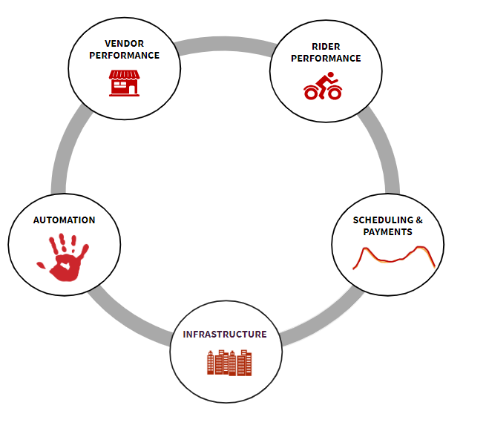
Context: Top management is extremely happy about the average delivery time that we have achieved in Philippines (~21min). That being said, they are urging us to find ways to increase our current rider utilisation rate (UTR). In 3 days, you have a 30min session booked with the VP of Logistics and his team. During this meeting you will present your vision on our strategy to increase UTR. It needs to be data-driven. Make sure to explain which lever should be tackled first and how.

Format : Business presentation, use the support of your choice. If you perform any calculation, please attach it to the presentation

Note : i) You can find on the right 5 levers for improving UTR Remember, the UTR captures the number of orders that a rider can complete in one hour (orders/hours) ii) Leverage the data in the previous tables iii) Feel free to make any assumption for all the necessary information that you have not been given (e.g., order distribution along the week is homogeneous -same amount of orders every day of the week). You can also add any data deep-dive, graph or material to support your argument

 | Description :
 | Automation - automations allowing for scalability & removal inefficient human interventions
 | Rider & vendor performance - management, engagement & compliance of our partners
 | Scheduling & payments - forecasting/ staffing, payment structure
 | Delivery areas : refers to the set up of the city, zones of operation & delivery areas

